Map
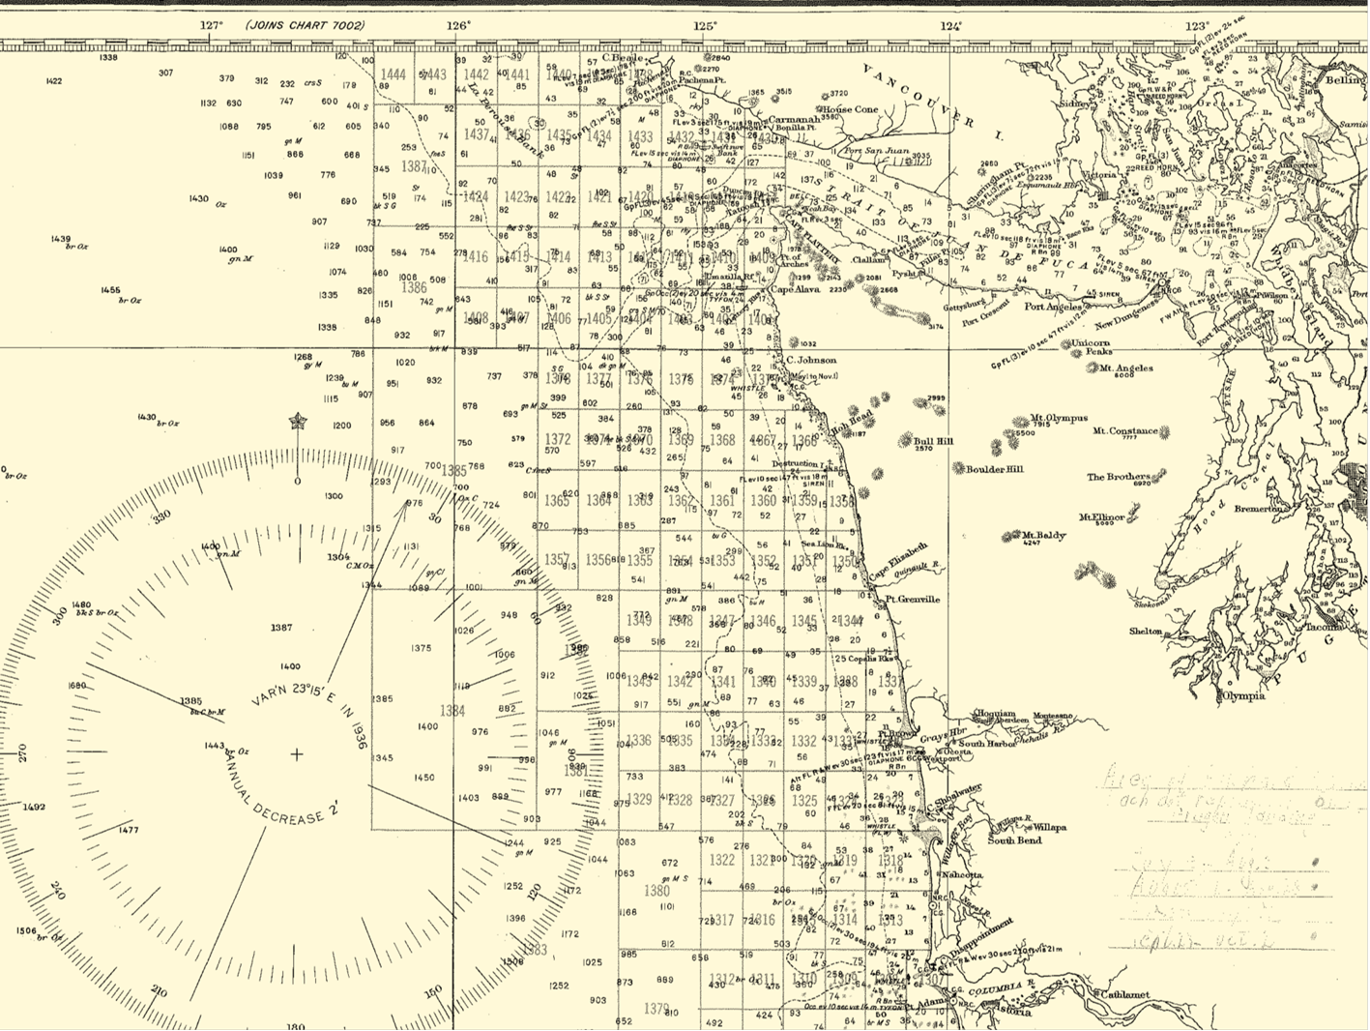

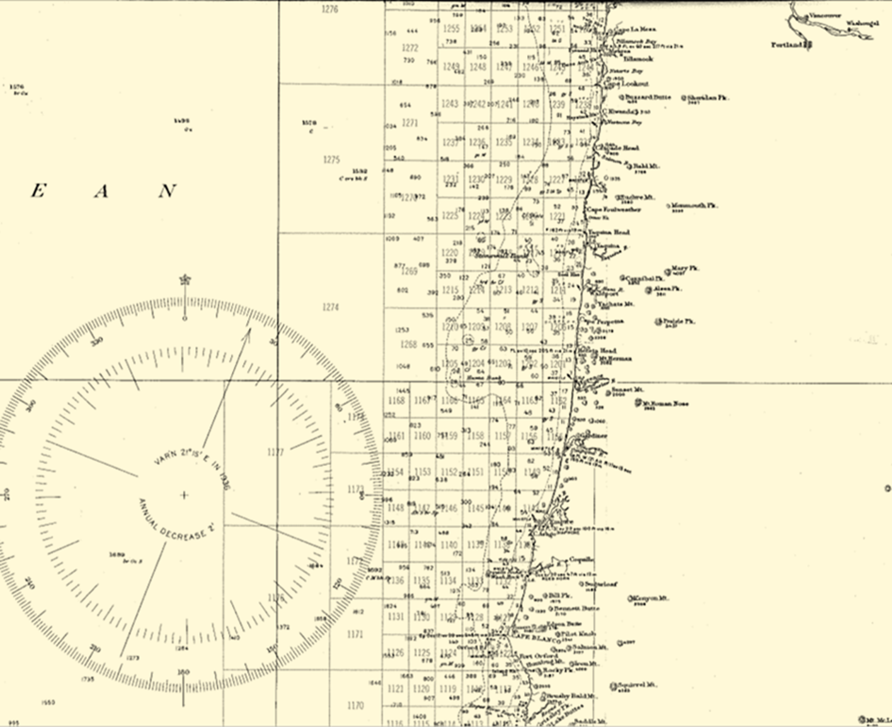

Discrepancies
Year | Boat Landings Total ('Boat' Sheet) | Season Total ('Year' Sheet) | Difference from Total (Year Sheet) | Difference in Tons
1935 | 52364639 | 52460000 | -95361 | -47.6805 | The difference between the 'Boat Landings Total" and the 'Season Total' might tell us if any landings were missed in the individual boat landings archive. The difference between the two really depends on the year. However, with the exception of 1937 and 1948 this difference was quite small.
1936 | 28292972 | 28400000 | -107028 | -53.514
1937 | 32059500 | 33320000 | -1260500 | -630.25
1938 | 34036690 | 34040000 | -3310 | -1.655
1939 | 44653250 | 44660000 | -6750 | -3.375
1940 | 6323760 | 6320000 | 3760 | 1.88
1941 | 31697500 | 31700000 | -2500 | -1.25
1942 | 3765000 | 3900000 | -135000 | -67.5
1943 | 3649000 | 3640000 | 9000 | 4.5
1944 | 0 | 0 | 0 | 0
1945 | 175000 | 180000 | -5000 | -2.5
1946 | 7924000 | 7920000 | 4000 | 2
1947 | 13851000 | 13860000 | -9000 | -4.5
1948 | 10301900 | 10640000 | -338100 | -169.05
avg | 19221015.071 | 19360000 | -138984.92857 | -69.492464286

Total Boat Landings vs. Seasonal Catch

